Tenant or Customer Report
MBC |  | TENANT OR VISITOR INCIDENT / ACCIDENT REPORT
 |  |  |  |  | LOCATION OF ACCIDENT
Midway Business Center |  |  |  |  | Street Address
5333 S Laramie, Suite 220 |  |  |  |  | City
Chicago, IL 60638 |  |  |  |  | Site of the Incident
312 446-3018 |  |  |  |  | Date of Incident
 |  |  |  |  | Date reported to Management
Police Report #: |  |  |  |  | Any Injuries |  |  |  | Yes /// No
Date of Report: |  |  |  |  | Was Employee Sent for Drug Test |  |  |  | Yes /// No
Officer's Name:
#1 MBC TENANT(S) INVOLVED IN INCIDENT / ACCIDENT (Attach Employee Statement(s))
(1) TENANT NAME:
BUILDING SPACE TENANT LEASES:
NAME: |  |  |  |  |  | PHONE: |  |  | (EVENING)
STREET ADDRESS: |  |  |  |  |  | CITY/STATE/ZIP:
TENANT'S DESCRIBTION OF INCIDENT:
EMPLOYEE'S INJURY:
#2 MBC PROPERTY INVOLVED IN INCIDENT / ACCIDENT (Attach Employee Statement(s))
Property Damage:
Describe Incident:

#3 TENANT EMPLOYEE, VISITOR OR OTHER PARTY INVOLVED IN THE INCIDENT (Attach Statement(s))
NAME: |  |  |  |  |  | VEHICLE YEAR: |  |  | COLOR
STREET ADDRESS: |  |  |  |  |  |  | TAG #: |  | MAKE/MODEL
CITY/STATE/ZIPCODE: |  |  |  |  |  |  | VIN #:
PHONE: (DAY) |  |  | (EVENING) |  |  |  | DL STATE |  | LICENSE #
INSURANCE |  |  |  |  |  |  | POLICY #
PHONE # |  |  |  | Adjuster Name
DESCRIPTION OF INCIDENT &/OR DAMAGE
DESCRIBE DAMAGE:
DESCRIBE INJURY:
DESCRIBE ANY OTHER PROPERTY DAMAGE:

WITNESSES (Attach Witness Statement(s)) |  |  |  |  |  |  | WITNESSES (Attach Witness Statement(s))
NAME: |  |  |  |  |  |  | NAME:
ADDRESS: |  |  |  |  |  |  | ADDRESS:

PHONE #: |  |  |  |  |  |  | PHONE #:

Employee Signature |  |  |  | Visitor Signature |  |  |  |  | Manager Receiving Report

Thank you for completing this form. This form is used to document reported incidents of damage, injury or complaint.
Provision or completion of this form in no way affects MBC's liability or absence of liability in the reported incident.
MBC will evaluate your report and will contact you if any further information is needed. |  |  |  |  |  |  |  |  | Created 06/21/16
Give Tenant or Visitor a Copy of this page.
Midway Business Center Use Only
Date of Incident
MBC DETAILED DESCRIPTION OF INCIDENT/ACCIDENT & DAMAGE |  |  |  |  |  |  |  |  | REPORT DATE:

VISITOR DETAILED DESCRIPTION OF INCIDENT/ACCIDENT & DAMAGE

LIST ALL PERSONS INVOLVED IN ACCIDENT: MBC & CUSTOMERS (I.E. DRIVERS, PASSENGERS, PEDESTRIANS)
VEHICLE | NAME |  |  |  | PHONE # |  |  | INJURY

List of all MBC personnel at the incident scene:

Mark location of damage on vehicle diagram

 |  |  |  |  |  |  |  |  |  |  | D

Mark location of damage on vehicle diagram

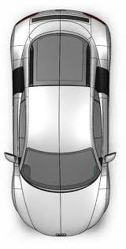

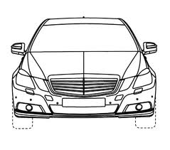
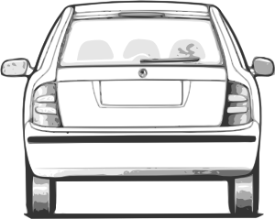

 |  |  |  |  |  |  |  |  |  | revised 02-08-18

